Churn Analysis
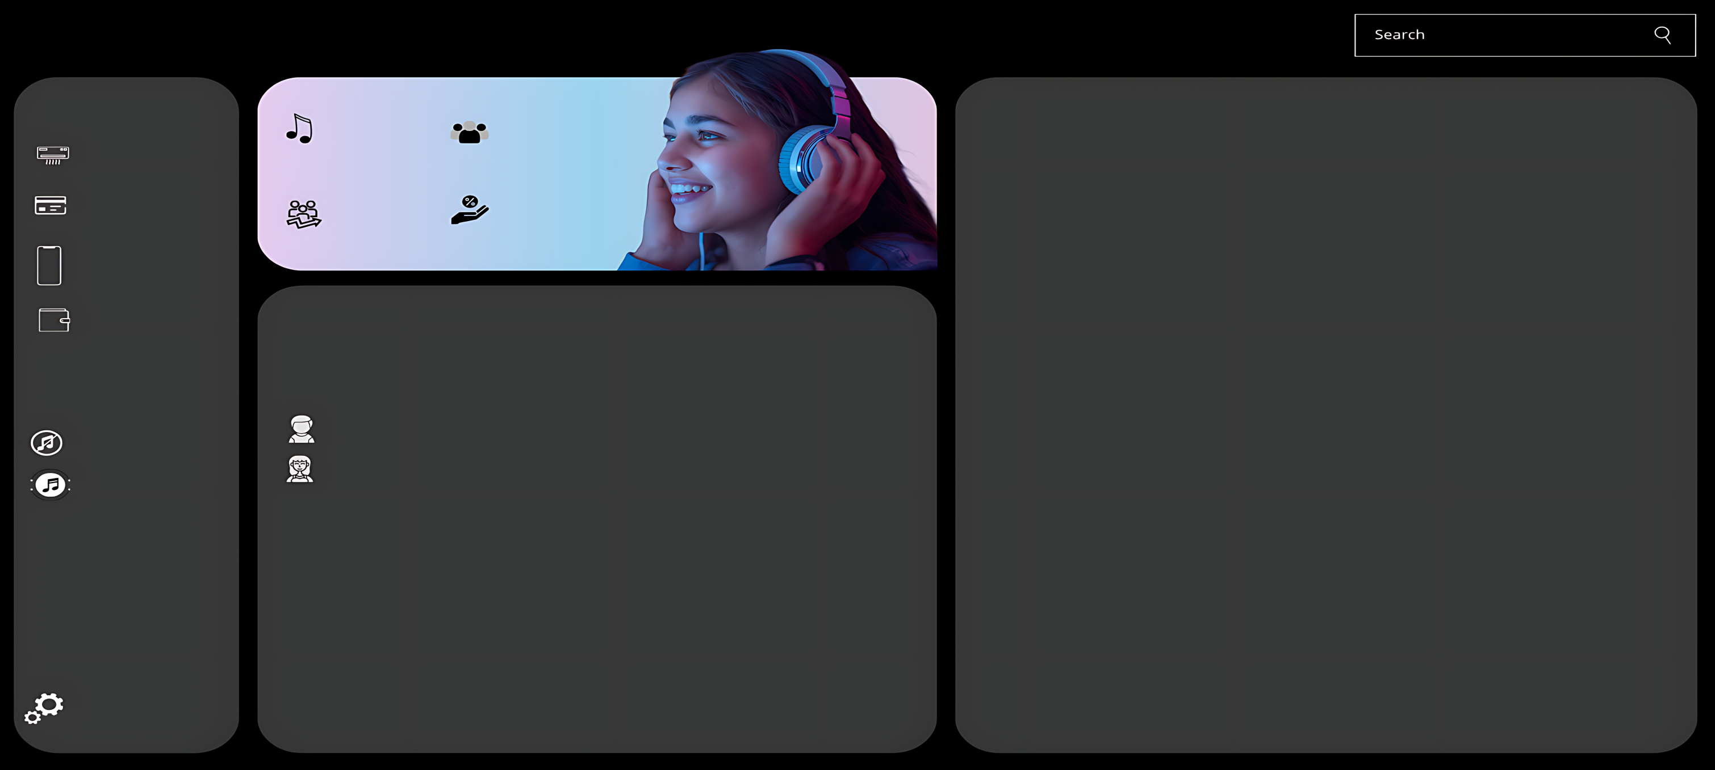
Churn Analysis Dashboard

Payment Method
Total Users
4600
Churned Users
1412
Churn Rate Analysis

Churn Rate by Device Type
 | Total
Android | 36.19%
iOS | 33.92%
Web | 29.89%
Churn Rate by Buffering Time Range
 | Total
0 - 1 sec | 20.47%
1 - 2 sec | 19.12%
2 - 3 sec | 20.68%
3 - 4 sec | 21.53%
4+ sec | 18.20%

Active Users
3188
Churn Rate
31%

Demographics

Gender wise Churned vs ActiveUsers
 | Active Users | Churned Users
Female | 1168 | 515
Male | 2020 | 897
Auto Renewal
User Count & Churn Rate by Top Genre
 | Churned Users | User Count
Classical | 16.08% | 762
EDM | 15.30% | 719
HipHop | 16.86% | 771
Jazz | 16.50% | 734
Pop | 17.49% | 795
Rock | 17.78% | 819
Churn Rate by Network Type
 | Total
4G | 33.43%
5G | 34.49%
WiFi | 32.08%

Churned vs ActiveUsers by AgeGroup
 | Active Users | Churned Users
18-25 | 841 | 389
26-35 | 796 | 350
36-45 | 726 | 315
46+ | 825 | 358

Setting

